Strategies
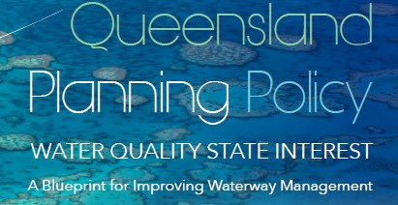

 |  | Please rank in order of priority
Strategy 1 | STRATEGIC PLANNING
Strategy 2 | PRISTINE WATERWAY PROTECTION
Strategy 3 | FLOW CONTROLS
Strategy 4 | ‘AT SOURCE’ WSUD
Strategy 5 | MONITORING
Strategy 6 | MAINTENANCE
Strategy 7 | QUALITY CONTROL
Strategy 8 | IMPROVEMENT
Strategy 9 | STRATEGIC OFFSITE SOLUTIONS
Strategy 10 | WSUD INTEGRATION
Strategy 11 | WATER FOR COOLING
Strategy 12 | WATER REUSE

 | optional:

Your name

Position

Organisation

Please add any general comments and feedback you would like to share:

